LINE UP
Custom Sabiki order form |  |  |  |  |  |  |  |  |  |  |  |  |  | 1 | 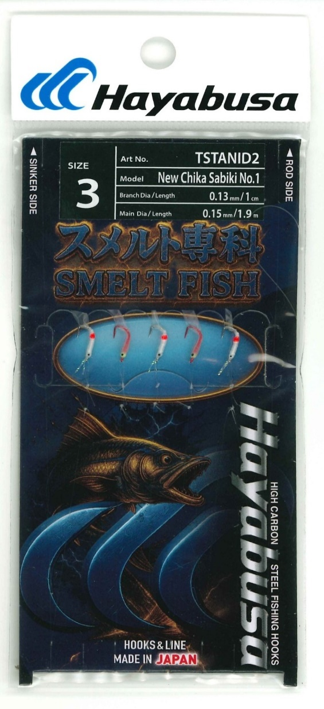 Product
Model No: |  | TSTANID2
Product name: |  | New Chika Sabiki No.１ 5 hooks

A
C
D
B
Hook | ハリス（Branch） | 幹糸（Main） |  |  |  |  | Full | No. | Order | ЦЕНА РУБЛИ НДС | ЗАКАЗ | СУММА ЗАКАЗА
size | size | size | A | B | C | D | Length | of | Qty
(JP) | mm | mm | (㎝) | (㎝) | (㎝) | (㎝) | (m) | hooks
3 | 0.13 | 0.15 | 25 | 1 | 35 | 25 | 1.9 | 5 |  | 365 |  | 0
 |  |  |  |  |  |  |  |  |  |  |  | 0
 |  |  |  |  |  |  |  |  |  |  |  | 0
 |  |  |  |  |  |  |  |  |  |  |  | 0
 |  |  |  |  |  |  |  |  |  |  |  | 0
 |  |  |  |  |  |  |  |  |  |  |  | 0
 |  |  |  |  |  |  |  |  |  |  |  | 0
 |  |  |  |  |  |  |  |  |  |  |  | 0
 |  |  |  |  |  |  |  |  |  |  |  | 0
 |  |  |  |  |  |  |  |  |  |  |  | 0
Hook model and color |  | H.SDE198 JP#3 Nickel |  |  |  |  |  |  |  |  |  | 0
 |  | H.SDE198 JP#3 Red |  |  |  |  |  |  |  |  |  | 0
Branch material |  | fluorocarbon |  |  |  |  |  |  |  |  |  | 0
Main material |  | fluorocarbon |  |  |  |  |  |  |  |  |  | 0
 |  |  |  |  |  |  |  |  |  |  |  | 0
 |  |  |  |  |  |  |  |  |  |  |  | 0
 |  |  |  |  |  |  |  |  |  |  |  | 0
 |  |  |  |  |  |  |  |  |  |  |  | 0
 |  |  |  |  |  |  |  |  |  |  |  | 0
 |  |  |  |  |  |  |  |  |  |  |  | 0
 |  |  |  |  |  |  |  |  |  |  |  | 0 | 5 hooks
 |  |  |  |  |  |  |  |  |  |  |  | 0
 |  |  |  |  |  |  |  | Custom Fly picture |  |  |  | 0
 |  |  |  |  |  |  |  |  |  |  |  | 0
Custom Sabiki order form |  |  |  |  |  |  |  |  |  |  |  | 0
Model No: |  | TSTANID3 |  |  |  |  |  |  |  |  |  | 0 |  | 2 | 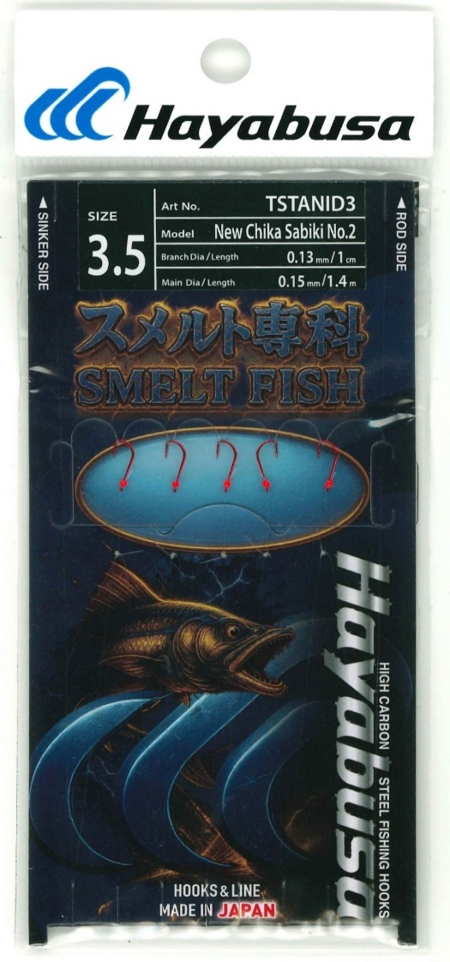 Product
Product name: |  | New Chika Sabiki No.２ 5 hooks |  |  |  |  |  |  |  |  |  | 0
 |  |  |  |  |  |  |  |  |  |  |  | 0
A
C
D
B
Hook | ハリス（Branch） | 幹糸（Main） |  |  |  |  | Full | No. | Order |  |  | 0
size | size | size | A | B | C | D | Length | of | Qty |  |  | 0
(JP) | mm | mm | (㎝) | (㎝) | (㎝) | (㎝) | (m) | hooks |  |  |  | 0
3.5 | 0.13 | 0.15 | 20 | 1 | 25 | 20 | 1.4 | 5 |  | 198 |  | 0
 |  |  |  |  |  |  |  |  |  |  |  | 0
 |  |  |  |  |  |  |  |  |  |  |  | 0
 |  |  |  |  |  |  |  |  |  |  |  | 0
 |  |  |  |  |  |  |  |  |  |  |  | 0
 |  |  |  |  |  |  |  |  |  |  |  | 0
 |  |  |  |  |  |  |  |  |  |  |  | 0
 |  |  |  |  |  |  |  |  |  |  |  | 0
 |  |  |  |  |  |  |  |  |  |  |  | 0
 |  |  |  |  |  |  |  |  |  |  |  | 0
Hook model and color |  | H.SDE189 #3.5 red |  |  |  |  |  |  |  |  |  | 0
 |  |  |  |  |  |  |  |  |  |  |  | 0
Branch material |  | fluorocarbon |  |  |  |  |  |  |  |  |  | 0
Main material |  | fluorocarbon |  |  |  |  |  |  |  |  |  | 0
 |  |  |  |  |  |  |  |  |  |  |  | 0
 |  |  |  |  |  |  |  |  |  |  |  | 0
 |  |  |  |  |  |  |  |  |  |  |  | 0
 |  |  |  |  |  |  |  |  |  |  |  | 0
 |  |  |  |  |  |  |  |  |  |  |  | 0
 |  |  |  |  |  |  |  |  |  |  |  | 0
 |  |  |  |  |  |  |  |  |  |  |  | 0 | 5 hooks
 |  |  |  |  |  |  |  |  |  |  |  | 0
 |  |  |  |  |  |  |  | Custom Fly picture |  |  |  | 0
 |  |  |  |  |  |  |  |  |  |  |  | 0
Custom Sabiki order form |  |  |  |  |  |  |  |  |  |  |  | 0 |  | 4 | 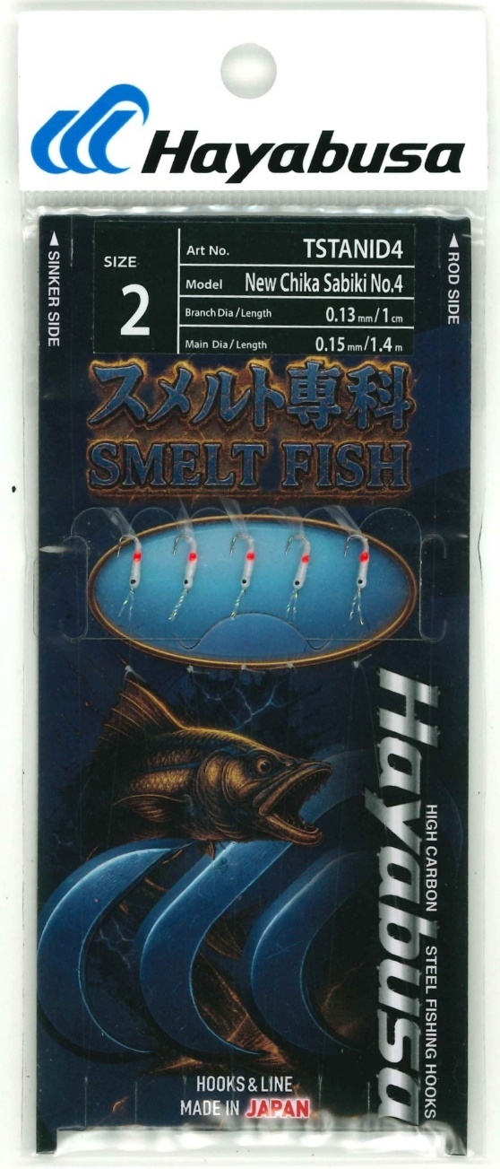 Product
Model No: |  | TSTANID4 |  |  |  |  |  |  |  |  |  | 0
Product name: |  | New Chika Sabiki No.4 5 hooks |  |  |  |  |  |  |  |  |  | 0
 |  |  |  |  |  |  |  |  |  |  |  | 0
A
C
D
B
Hook | ハリス（Branch） | 幹糸（Main） |  |  |  |  | Full | No. | Order |  |  | 0
size | size | size | A | B | C | D | Length | of | Qty |  |  | 0
(JP) | mm | mm | (㎝) | (㎝) | (㎝) | (㎝) | (m) | hooks |  |  |  | 0
2 | 0.13 | 0.15 | 20 | 1 | 25 | 20 | 1.4 | 5 |  | 355 |  | 0
 |  |  |  |  |  |  |  |  |  |  |  | 0
 |  |  |  |  |  |  |  |  |  |  |  | 0
 |  |  |  |  |  |  |  |  |  |  |  | 0
 |  |  |  |  |  |  |  |  |  |  |  | 0
 |  |  |  |  |  |  |  |  |  |  |  | 0
 |  |  |  |  |  |  |  |  |  |  |  | 0
 |  |  |  |  |  |  |  |  |  |  |  | 0
 |  |  |  |  |  |  |  |  |  |  |  | 0
 |  |  |  |  |  |  |  |  |  |  |  | 0
Hook model and color |  | example 1: Chika 2 nickel |  |  | use H.CHK128 JP3 |  |  |  |  |  |  | 0
 |  |  |  |  |  |  |  |  |  |  |  | 0
Branch material |  | fluorocarbon |  |  |  |  |  |  |  |  |  | 0
Main material |  | fluorocarbon |  |  |  |  |  |  |  |  |  | 0
 |  |  |  |  |  |  |  |  |  |  |  | 0
 |  |  |  |  |  |  |  |  |  |  |  | 0
 |  |  |  |  |  |  |  |  |  |  |  | 0
 |  |  |  |  |  |  |  |  |  |  |  | 0
 |  |  |  |  |  |  |  |  |  |  |  | 0
 |  |  |  |  |  |  |  |  |  |  |  | 0
 |  |  |  |  |  |  |  |  |  |  |  | 0 | 5 hooks
 |  |  |  |  |  |  |  |  |  |  |  | 0
 |  |  |  |  |  |  |  | Custom Fly picture |  |  |  | 0
 |  |  |  |  |  |  |  |  |  |  |  | 0
Custom Sabiki order form |  |  |  |  |  |  |  |  |  |  |  | 0 |  | 5 | 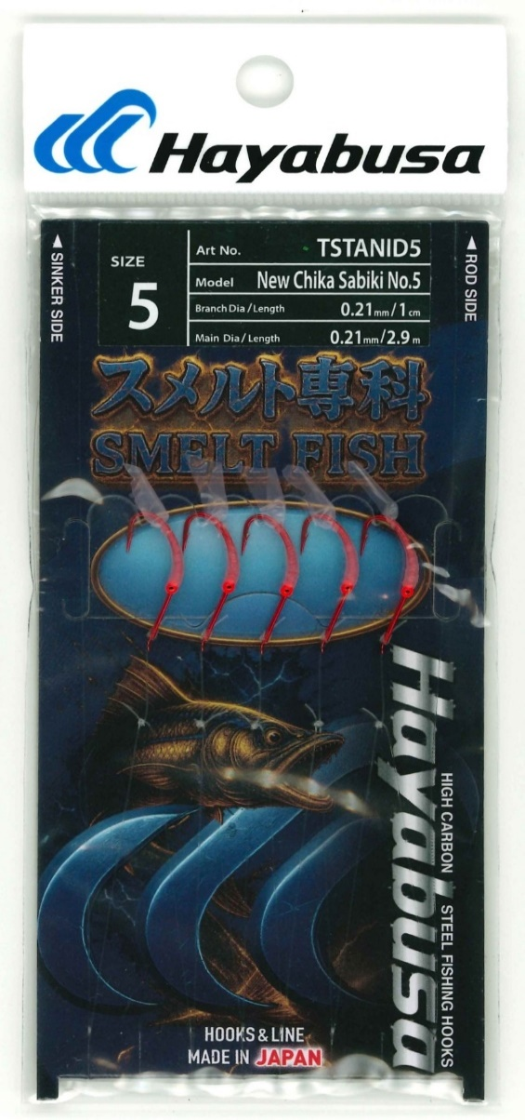 Product
Model No: |  | TSTANID5 |  |  |  |  |  |  |  |  |  | 0
Product name: |  | New Chika Sabiki No.5 5 hooks |  |  |  |  |  |  |  |  |  | 0
 |  |  |  |  |  |  |  |  |  |  |  | 0
A
C
D
B
Hook | ハリス（Branch） | 幹糸（Main） |  |  |  |  | Full | No. | Order |  |  | 0
size | size | size | A | B | C | D | Length | of | Qty |  |  | 0
(JP) | mm | mm | (㎝) | (㎝) | (㎝) | (㎝) | (m) | hooks |  |  |  | 0
5 | 0.21 | 0.21 | 45 | 1 | 50 | 45 | 2.9 | 5 |  | 297 |  | 0
 |  |  |  |  |  |  |  |  |  |  |  | 0
 |  |  |  |  |  |  |  |  |  |  |  | 0
 |  |  |  |  |  |  |  |  |  |  |  | 0
 |  |  |  |  |  |  |  |  |  |  |  | 0
 |  |  |  |  |  |  |  |  |  |  |  | 0
 |  |  |  |  |  |  |  |  |  |  |  | 0
 |  |  |  |  |  |  |  |  |  |  |  | 0
 |  |  |  |  |  |  |  |  |  |  |  | 0
 |  |  |  |  |  |  |  |  |  |  |  | 0
Hook model and color |  | use kit159 #JP8 Red |  |  |  |  |  |  |  |  |  | 0
 |  |  |  |  |  |  |  |  |  |  |  | 0
Branch material |  | fluorocarbon |  |  |  |  |  |  |  |  |  | 0
Main material |  | fluorocarbon |  |  |  |  |  |  |  |  |  | 0
 |  |  |  |  |  |  |  |  |  |  |  | 0
 |  |  |  |  |  |  |  |  |  |  |  | 0
 |  |  |  |  |  |  |  |  |  |  |  | 0
 |  |  |  |  |  |  |  |  |  |  |  | 0
 |  |  |  |  |  |  |  |  |  |  |  | 0
 |  |  |  |  |  |  |  |  |  |  |  | 0
 |  |  |  |  |  |  |  |  |  |  |  | 0 | 5 hooks
 |  |  |  |  |  |  |  |  |  |  |  | 0
 |  |  |  |  |  |  |  | Custom Fly picture |  |  |  | 0
 |  |  |  |  |  |  |  |  |  |  |  | 0
Custom Sabiki order form |  |  |  |  |  |  |  |  |  |  |  | 0 |  | 6 | 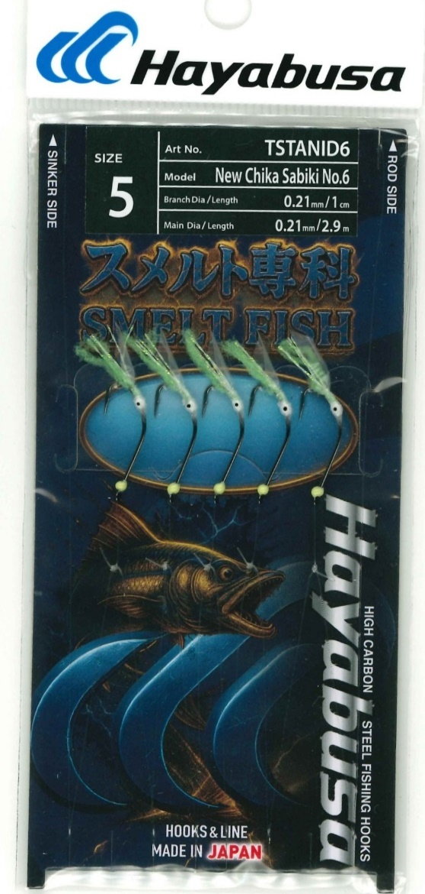 Product
Model No: |  | TSTANID6 |  |  |  |  |  |  |  |  |  | 0
Product name: |  | New Chika Sabiki No.6 5 hooks |  |  |  |  |  |  |  |  |  | 0
 |  |  |  |  |  |  |  |  |  |  |  | 0
A
C
D
B
Hook | ハリス（Branch） | 幹糸（Main） |  |  |  |  | Full | No. | Order |  |  | 0
size | size | size | A | B | C | D | Length | of | Qty |  |  | 0
(JP) | JP | JP | (㎝) | (㎝) | (㎝) | (㎝) | (m) | hooks |  |  |  | 0
5 | 0.19 | 0.21 | 45 | 1 | 50 | 45 | 2.9 | 5 |  | 435 |  | 0
 |  |  |  |  |  |  |  |  |  |  |  | 0
 |  |  |  |  |  |  |  |  |  |  |  | 0
 |  |  |  |  |  |  |  |  |  |  |  | 0
 |  |  |  |  |  |  |  |  |  |  |  | 0
 |  |  |  |  |  |  |  |  |  |  |  | 0
 |  |  |  |  |  |  |  |  |  |  |  | 0
 |  |  |  |  |  |  |  |  |  |  |  | 0
 |  |  |  |  |  |  |  |  |  |  |  | 0
 |  |  |  |  |  |  |  |  |  |  |  | 0
Hook model and color |  | use kit159 #JP8 Nickel |  |  |  |  |  |  |  |  |  | 0
 |  |  |  |  |  |  |  |  |  |  |  | 0
Branch material |  | fluorocarbon |  |  |  |  |  |  |  |  |  | 0
Main material |  | fluorocarbon |  |  |  |  |  |  |  |  |  | 0
 |  |  |  |  |  |  |  |  |  |  |  | 0
 |  |  |  |  |  |  |  |  |  |  |  | 0
 |  |  |  |  |  |  |  |  |  |  |  | 0
 |  |  |  |  |  |  |  |  |  |  |  | 0
 |  |  |  |  |  |  |  |  |  |  |  | 0
 |  |  |  |  |  |  |  |  |  |  |  | 0
 |  |  |  |  |  |  |  |  |  |  |  | 0 | 5 hooks
 |  |  |  |  |  |  |  |  |  |  |  | 0
 |  |  |  |  |  |  |  | Custom Fly picture |  |  |  | 0
 |  |  |  |  |  |  |  |  |  |  |  | 0
Custom Sabiki order form |  |  |  |  |  |  |  |  |  |  |  | 0 |  | 7 | 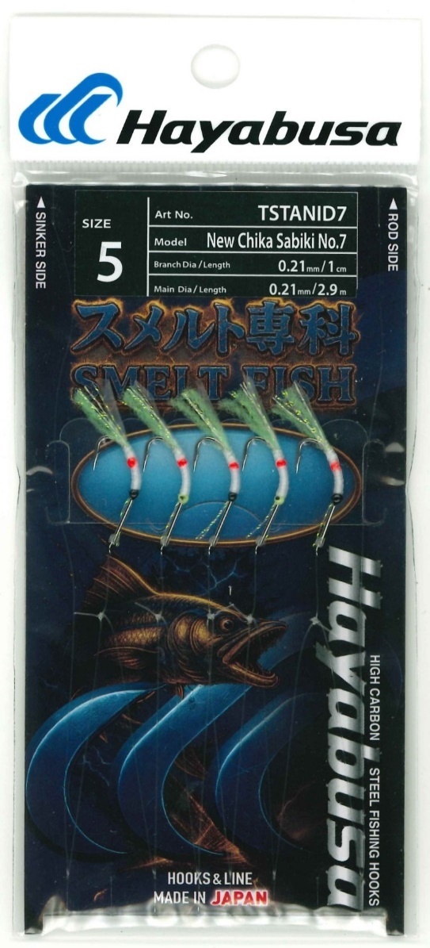 Product
Model No: |  | TSTANID7 |  |  |  |  |  |  |  |  |  | 0
Product name: |  | New Chika Sabiki No.7 5 hooks |  |  |  |  |  |  |  |  |  | 0
 |  |  |  |  |  |  |  |  |  |  |  | 0
A
C
D
B
Hook | ハリス（Branch） | 幹糸（Main） |  |  |  |  | Full | No. | Order |  |  | 0
size | size | size | A | B | C | D | Length | of | Qty |  |  | 0
(JP) | mm | mm | (㎝) | (㎝) | (㎝) | (㎝) | (m) | hooks |  |  |  | 0
5 | 0.21 | 0.21 | 45 | 1 | 50 | 45 | 2.9 | 5 |  | 513 |  | 0
 |  |  |  |  |  |  |  |  |  |  |  | 0
 |  |  |  |  |  |  |  |  |  |  |  | 0
 |  |  |  |  |  |  |  |  |  |  |  | 0
 |  |  |  |  |  |  |  |  |  |  |  | 0
 |  |  |  |  |  |  |  |  |  |  |  | 0
 |  |  |  |  |  |  |  |  |  |  |  | 0
 |  |  |  |  |  |  |  |  |  |  |  | 0
 |  |  |  |  |  |  |  |  |  |  |  | 0
 |  |  |  |  |  |  |  |  |  |  |  | 0
Hook model and color |  | use kit159 #JP8 Nickel |  |  |  |  |  |  |  |  |  | 0
 |  |  |  |  |  |  |  |  |  |  |  | 0
Branch material |  | fluorocarbon |  |  |  |  |  |  |  |  |  | 0
Main material |  | fluorocarbon |  |  |  |  |  |  |  |  |  | 0
 |  |  |  |  |  |  |  |  |  |  |  | 0
 |  |  |  |  |  |  |  |  |  |  |  | 0
 |  |  |  |  |  |  |  |  |  |  |  | 0
 |  |  |  |  |  |  |  |  |  |  |  | 0
 |  |  |  |  |  |  |  |  |  |  |  | 0
 |  |  |  |  |  |  |  |  |  |  |  | 0
 |  |  |  |  |  |  |  |  |  |  |  | 0 | 5 hooks
 |  |  |  |  |  |  |  |  |  |  |  | 0
 |  |  |  |  |  |  |  | Custom Fly picture |  |  |  | 0
 |  |  |  |  |  |  |  |  |  |  |  | 0
Custom Sabiki order form |  |  |  |  |  |  |  |  |  |  |  | 0 |  | 8 | 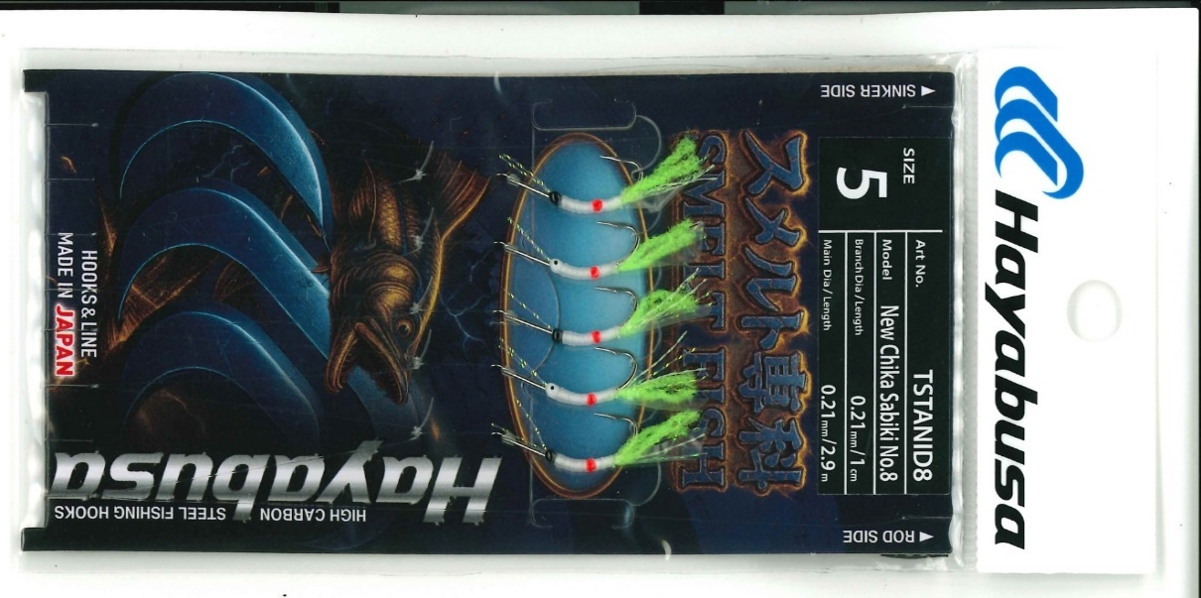 Product
Model No: |  | TSTANID8 |  |  |  |  |  |  |  |  |  | 0
Product name: |  | New Chika Sabiki No.8 5 hooks |  |  |  |  |  |  |  |  |  | 0
 |  |  |  |  |  |  |  |  |  |  |  | 0
A
C
D
B
Hook | ハリス（Branch） | 幹糸（Main） |  |  |  |  | Full | No. | Order |  |  | 0
size | size | size | A | B | C | D | Length | of | Qty |  |  | 0
(JP) | mm | mm | (㎝) | (㎝) | (㎝) | (㎝) | (m) | hooks |  |  |  | 0
5 | 0.21 | 0.21 | 45 | 1 | 50 | 45 | 2.9 | 5 |  | 513 |  | 0
 |  |  |  |  |  |  |  |  |  |  |  | 0
 |  |  |  |  |  |  |  |  |  |  |  | 0
 |  |  |  |  |  |  |  |  |  |  |  | 0
 |  |  |  |  |  |  |  |  |  |  |  | 0
 |  |  |  |  |  |  |  |  |  |  |  | 0
 |  |  |  |  |  |  |  |  |  |  |  | 0
 |  |  |  |  |  |  |  |  |  |  |  | 0
 |  |  |  |  |  |  |  |  |  |  |  | 0
 |  |  |  |  |  |  |  |  |  |  |  | 0
Hook model and color |  | use kit159 #JP8 BN |  |  |  |  |  |  |  |  |  | 0
 |  |  |  |  |  |  |  |  |  |  |  | 0
Branch material |  | fluorocarbon |  |  |  |  |  |  |  |  |  | 0
Main material |  | fluorocarbon |  |  |  |  |  |  |  |  |  | 0
 |  |  |  |  |  |  |  |  |  |  |  | 0
 |  |  |  |  |  |  |  |  |  |  |  | 0
 |  |  |  |  |  |  |  |  |  |  |  | 0
 |  |  |  |  |  |  |  |  |  |  |  | 0
 |  |  |  |  |  |  |  |  |  |  |  | 0
 |  |  |  |  |  |  |  |  |  |  |  | 0
 |  |  |  |  |  |  |  |  |  |  |  | 0 | 5 hooks
 |  |  |  |  |  |  |  |  |  |  |  | 0
 |  |  |  |  |  |  |  | Custom Fly picture |  |  |  | 0
 |  |  |  |  |  |  |  |  |  |  |  | 0
Custom Sabiki order form |  |  |  |  |  |  |  |  |  |  |  | 0 |  | 9 | 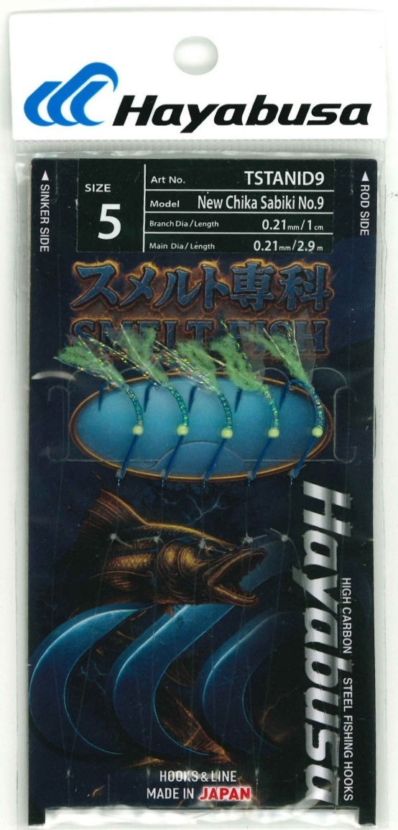 Product
Model No: |  | TSTANID9 |  |  |  |  |  |  |  |  |  | 0
Product name: |  | New Chika Sabiki No.9 5 hooks |  |  |  |  |  |  |  |  |  | 0
 |  |  |  |  |  |  |  |  |  |  |  | 0
A
C
D
B
Hook | ハリス（Branch） | 幹糸（Main） |  |  |  |  | Full | No. | Order |  |  | 0
size | size | size | A | B | C | D | Length | of | Qty |  |  | 0
(JP) | mm | mm | (㎝) | (㎝) | (㎝) | (㎝) | (m) | hooks |  |  |  | 0
5 | 0.21 | 0.21 | 45 | 1 | 50 | 45 | 2.9 | 5 |  | 394 |  | 0
 |  |  |  |  |  |  |  |  |  |  |  | 0
 |  |  |  |  |  |  |  |  |  |  |  | 0
 |  |  |  |  |  |  |  |  |  |  |  | 0
 |  |  |  |  |  |  |  |  |  |  |  | 0
 |  |  |  |  |  |  |  |  |  |  |  | 0
 |  |  |  |  |  |  |  |  |  |  |  | 0
 |  |  |  |  |  |  |  |  |  |  |  | 0
 |  |  |  |  |  |  |  |  |  |  |  | 0
 |  |  |  |  |  |  |  |  |  |  |  | 0
Hook model and color |  | use kit159 #JP8 Blue |  |  |  |  |  |  |  |  |  | 0
 |  |  |  |  |  |  |  |  |  |  |  | 0
Branch material |  | fluorocarbon |  |  |  |  |  |  |  |  |  | 0
Main material |  | fluorocarbon |  |  |  |  |  |  |  |  |  | 0
 |  |  |  |  |  |  |  |  |  |  |  | 0
 |  |  |  |  |  |  |  |  |  |  |  | 0
 |  |  |  |  |  |  |  |  |  |  |  | 0
 |  |  |  |  |  |  |  |  |  |  |  | 0
 |  |  |  |  |  |  |  |  |  |  |  | 0
 |  |  |  |  |  |  |  |  |  |  |  | 0
 |  |  |  |  |  |  |  |  |  |  |  | 0 | 5 hooks
 |  |  |  |  |  |  |  |  |  |  |  | 0
 |  |  |  |  |  |  |  | Custom Fly picture |  |  |  | 0
 |  |  |  |  |  |  |  |  |  |  |  | 0
Custom Sabiki order form |  |  |  |  |  |  |  |  |  |  |  | 0 |  | 10 | 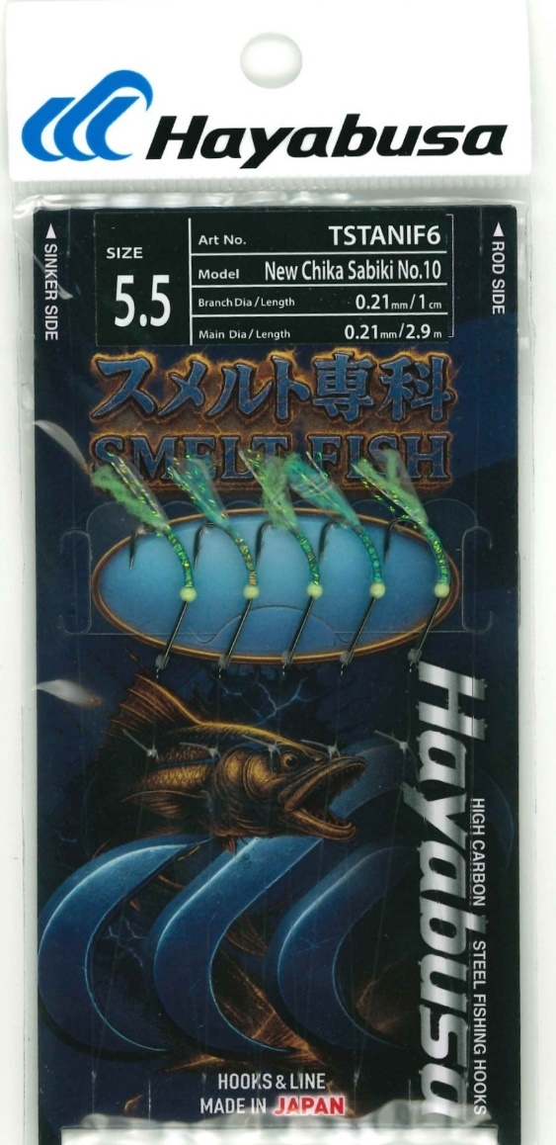 Product
Model No: |  | TSTANIF6 |  |  |  |  |  |  |  |  |  | 0
Product name: |  | New Chika Sabiki No.10 5 hooks |  |  |  |  |  |  |  |  |  | 0
 |  |  |  |  |  |  |  |  |  |  |  | 0
A
C
D
B
Hook | ハリス（Branch） | 幹糸（Main） |  |  |  |  | Full | No. | Order |  |  | 0
size | size | size | A | B | C | D | Length | of | Qty |  |  | 0
(JP) | mm | mm | (㎝) | (㎝) | (㎝) | (㎝) | (m) | hooks |  |  |  | 0
5.5 | 0.21 | 0.21 | 45 | 1 | 50 | 45 | 2.9 | 5 |  | 435 |  | 0
 |  |  |  |  |  |  |  |  |  |  |  | 0
 |  |  |  |  |  |  |  |  |  |  |  | 0
 |  |  |  |  |  |  |  |  |  |  |  | 0
 |  |  |  |  |  |  |  |  |  |  |  | 0
 |  |  |  |  |  |  |  |  |  |  |  | 0
 |  |  |  |  |  |  |  |  |  |  |  | 0
 |  |  |  |  |  |  |  |  |  |  |  | 0
 |  |  |  |  |  |  |  |  |  |  |  | 0
 |  |  |  |  |  |  |  |  |  |  |  | 0
Hook model and color |  | use kit159 #JP9 Blue |  |  |  |  |  |  |  |  |  | 0
 |  |  |  |  |  |  |  |  |  |  |  | 0
Branch material |  | fluorocarbon |  |  |  |  |  |  |  |  |  | 0
Main material |  | fluorocarbon |  |  |  |  |  |  |  |  |  | 0
 |  |  |  |  |  |  |  |  |  |  |  | 0
 |  |  |  |  |  |  |  |  |  |  |  | 0
 |  |  |  |  |  |  |  |  |  |  |  | 0
 |  |  |  |  |  |  |  |  |  |  |  | 0
 |  |  |  |  |  |  |  |  |  |  |  | 0
 |  |  |  |  |  |  |  |  |  |  |  | 0
 |  |  |  |  |  |  |  |  |  |  |  | 0 | 5 hooks
 |  |  |  |  |  |  |  |  |  |  |  | 0
 |  |  |  |  |  |  |  | Custom Fly picture |  |  |  | 0
 |  |  |  |  |  |  |  |  |  |  |  | 0
Custom Sabiki order form |  |  |  |  |  |  |  |  |  |  |  | 0 |  | 11 | 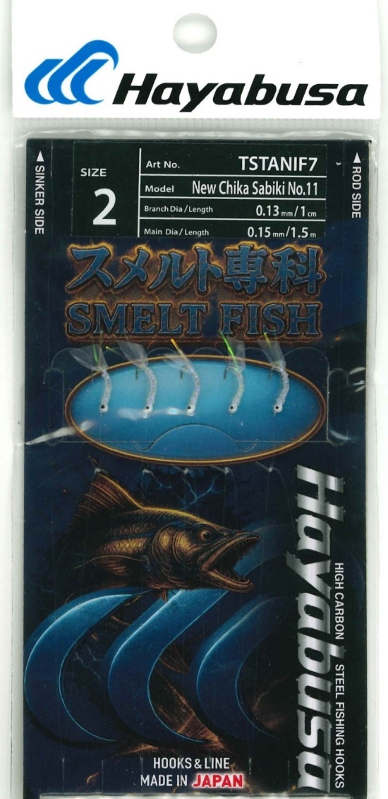 Product
Model No: |  | TSTANIF7 |  |  |  |  |  |  |  |  |  | 0
Product name: |  | New Chika Sabiki No.11 5 hooks |  |  |  |  |  |  |  |  |  | 0
 |  |  |  |  |  |  |  |  |  |  |  | 0
A
C
D
B
Hook | ハリス（Branch） | 幹糸（Main） |  |  |  |  | Full | No. | Order |  |  | 0
size | size | size | A | B | C | D | Length | of | Qty |  |  | 0
display | mm | mm | (㎝) | (㎝) | (㎝) | (㎝) | (m) | hooks |  |  |  | 0
2 | 0.13 | 0.15 | 25 | 1 | 25 | 25 | 1.5 | 5 |  | 316 |  | 0
 |  |  |  |  |  |  |  |  |  |  |  | 0
 |  |  |  |  |  |  |  |  |  |  |  | 0
 |  |  |  |  |  |  |  |  |  |  |  | 0
 |  |  |  |  |  |  |  |  |  |  |  | 0
 |  |  |  |  |  |  |  |  |  |  |  | 0
 |  |  |  |  |  |  |  |  |  |  |  | 0
 |  |  |  |  |  |  |  |  |  |  |  | 0
 |  |  |  |  |  |  |  |  |  |  |  | 0
 |  |  |  |  |  |  |  |  |  |  |  | 0
Hook model and color |  | Akita kitsune #2.5 nickel |  |  | H.AKK106 JP ＃3(card#2) |  |  |  |  |  |  | 0
 |  |  |  |  |  |  |  |  |  |  |  | 0
Branch material |  | fluorocarbon |  |  |  |  |  |  |  |  |  | 0
Main material |  | fluorocarbon |  |  |  |  |  |  |  |  |  | 0
 |  |  |  |  |  |  |  |  |  |  |  | 0
 |  |  |  |  |  |  |  |  |  |  |  | 0
 |  |  |  |  |  |  |  |  |  |  |  | 0
 |  |  |  |  |  |  |  |  |  |  |  | 0
 |  |  |  |  |  |  |  |  |  |  |  | 0
 |  |  |  |  |  |  |  |  |  |  |  | 0
 |  |  |  |  |  |  |  |  |  |  |  | 0 | 5 hooks
 |  |  |  |  |  |  |  |  |  |  |  | 0
 |  |  |  |  |  |  |  | Custom Fly picture |  |  |  | 0
 |  |  |  |  |  |  |  |  |  |  |  | 0
Custom Sabiki order form |  |  |  |  |  |  |  |  |  |  |  | 0 |  | 12 | 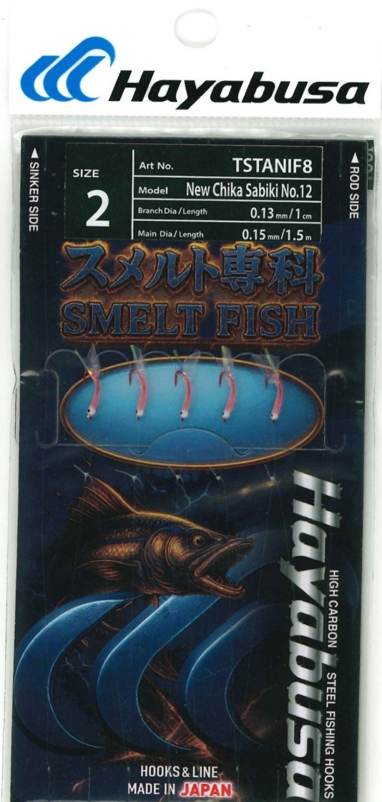 Product
Model No: |  | TSTANIF8 |  |  |  |  |  |  |  |  |  | 0
Product name: |  | New Chika Sabiki No.12 5 hooks |  |  |  |  |  |  |  |  |  | 0
 |  |  |  |  |  |  |  |  |  |  |  | 0
A
C
D
B
Hook | ハリス（Branch） | 幹糸（Main） |  |  |  |  | Full | No. | Order |  |  | 0
size | size | size | A | B | C | D | Length | of | Qty |  |  | 0
(JP) | mm | mm | (㎝) | (㎝) | (㎝) | (㎝) | (m) | hooks |  |  |  | 0
2 | 0.1 | 0.13 | 25 | 1 | 25 | 25 | 1.5 | 5 |  | 276 |  | 0
 |  |  |  |  |  |  |  |  |  |  |  | 0
 |  |  |  |  |  |  |  |  |  |  |  | 0
 |  |  |  |  |  |  |  |  |  |  |  | 0
 |  |  |  |  |  |  |  |  |  |  |  | 0
 |  |  |  |  |  |  |  |  |  |  |  | 0
 |  |  |  |  |  |  |  |  |  |  |  | 0
 |  |  |  |  |  |  |  |  |  |  |  | 0
 |  |  |  |  |  |  |  |  |  |  |  | 0
 |  |  |  |  |  |  |  |  |  |  |  | 0
Hook model and color |  | Akita kitsune #2 red |  |  | H.AKK106 JP ＃3(card#2) |  |  |  |  |  |  | 0
 |  |  |  |  |  |  |  |  |  |  |  | 0
Branch material |  | fluorocarbon |  |  |  |  |  |  |  |  |  | 0
Main material |  | fluorocarbon |  |  |  |  |  |  |  |  |  | 0
 |  |  |  |  |  |  |  |  |  |  |  | 0
 |  |  |  |  |  |  |  |  |  |  |  | 0
 |  |  |  |  |  |  |  |  |  |  |  | 0
 |  |  |  |  |  |  |  |  |  |  |  | 0
 |  |  |  |  |  |  |  |  |  |  |  | 0
 |  |  |  |  |  |  |  |  |  |  |  | 0
 |  |  |  |  |  |  |  |  |  |  |  | 0 | 5 hooks
 |  |  |  |  |  |  |  |  |  |  |  | 0
 |  |  |  |  |  |  |  | Custom Fly picture |  |  |  | 0
 |  |  |  |  |  |  |  |  |  |  |  | 0
 |  |  |  |  |  |  |  |  |  |  |  | 0
 |  |  |  |  |  |  |  |  |  |  |  | 0
 |  |  |  |  |  |  |  |  |  |  |  | 0
 |  |  |  |  |  |  |  |  |  |  |  | 0
Custom Sabiki order form |  |  |  |  |  |  |  |  |  |  |  | 0 |  | 13 | 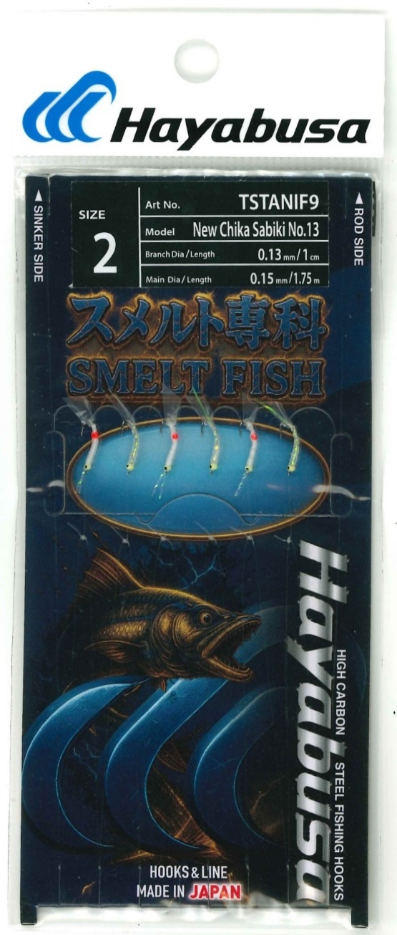 Product
Model No: |  | TSTANIF9 |  |  |  |  |  |  |  |  |  | 0
Product name: |  | New Chika Sabiki No.13 6 hooks |  |  |  |  |  |  |  |  |  | 0
A
C
D
B
 |  |  |  |  |  |  |  |  |  |  |  | 0
Hook | ハリス（Branch） | 幹糸（Main） |  |  |  |  | Full | No. | Order |  |  | 0
size | size | size | A | B | C | D | Length | of | Qty |  |  | 0
(JP) | mm | mm | (㎝) | (㎝) | (㎝) | (㎝) | (m) | hooks |  |  |  | 0
2 | 0.13 | 0.15 | 25 | 1 | 25 | 25 | 1.8 | 6 |  | 355 |  | 0
 |  |  |  |  |  |  |  |  |  |  |  | 0
 |  |  |  |  |  |  |  |  |  |  |  | 0
 |  |  |  |  |  |  |  |  |  |  |  | 0
 |  |  |  |  |  |  |  |  |  |  |  | 0
 |  |  |  |  |  |  |  |  |  |  |  | 0
 |  |  |  |  |  |  |  |  |  |  |  | 0
 |  |  |  |  |  |  |  |  |  |  |  | 0
 |  |  |  |  |  |  |  |  |  |  |  | 0
 |  |  |  |  |  |  |  |  |  |  |  | 0
Hook model and color |  | Akita kitsune #2 nickel |  |  | H.AKK106 JP ＃3(card#2) |  |  |  |  |  |  | 0
 |  |  |  |  |  |  |  |  |  |  |  | 0
Branch material |  | fluorocarbon |  |  |  |  |  |  |  |  |  | 0
Main material |  | fluorocarbon |  |  |  |  |  |  |  |  |  | 0
 |  |  |  |  |  |  |  |  |  |  |  | 0
 |  |  |  |  |  |  |  |  |  |  |  | 0
 |  |  |  |  |  |  |  |  |  |  |  | 0
 |  |  |  |  |  |  |  |  |  |  |  | 0
 |  |  |  |  |  |  |  |  |  |  |  | 0
 |  |  |  |  |  |  |  |  |  |  |  | 0
 |  |  |  |  |  |  |  |  |  |  |  | 0 | 6 hooks
 |  |  |  |  |  |  |  |  |  |  |  | 0
 |  |  |  |  |  |  |  | Custom Fly picture |  |  |  | 0
 |  |  |  |  |  |  |  |  |  |  |  | 0
 |  |  |  |  |  |  |  |  |  |  |  | 0
 |  |  |  |  |  |  |  |  |  |  |  | 0
 |  |  |  |  |  |  |  |  |  |  |  | 0
 |  |  |  |  |  |  |  |  |  |  |  | 0
Custom Sabiki order form |  |  |  |  |  |  |  |  |  |  |  | 0 |  | 14 | 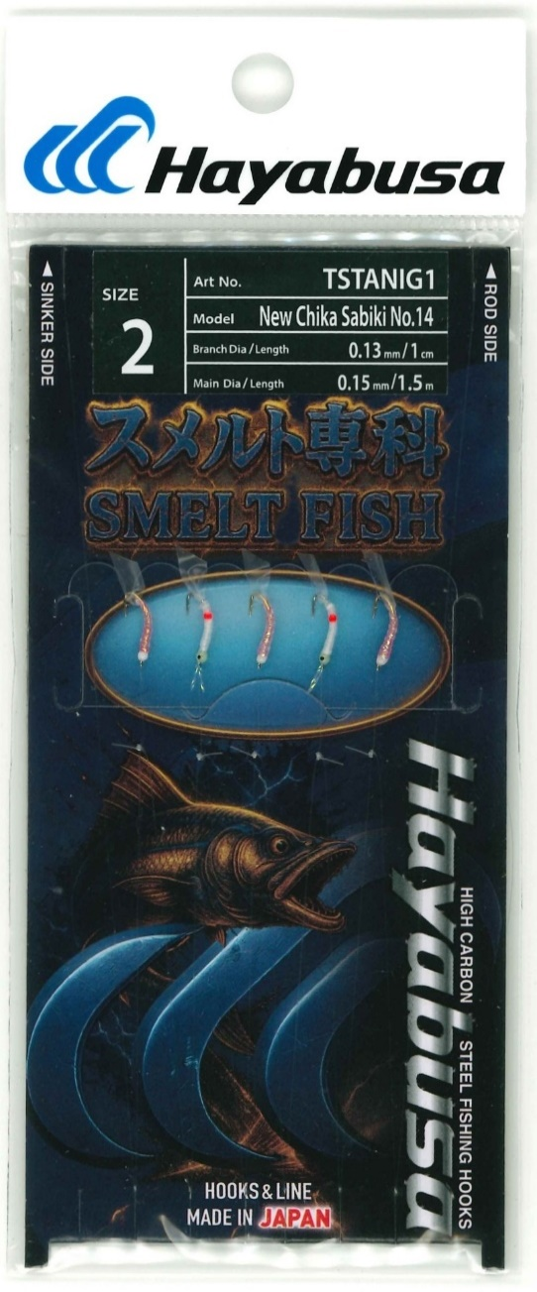 Product
Model No: |  | TSTANIG1 |  |  |  |  |  |  |  |  |  | 0
Product name: |  | New Chika Sabiki No.14 5 hooks |  |  |  |  |  |  |  |  |  | 0
A
C
D
B
 |  |  |  |  |  |  |  |  |  |  |  | 0
Hook | ハリス（Branch） | 幹糸（Main） |  |  |  |  | Full | No. | Order |  |  | 0
size | size | size | A | B | C | D | Length | of | Qty |  |  | 0
(JP) | mm | mm | (㎝) | (㎝) | (㎝) | (㎝) | (m) | hooks |  |  |  | 0
2 | 0.13 | 0.15 | 25 | 1 | 25 | 25 | 1.5 | 5 |  | 307 |  | 0
 |  |  |  |  |  |  |  |  |  |  |  | 0
 |  |  |  |  |  |  |  |  |  |  |  | 0
 |  |  |  |  |  |  |  |  |  |  |  | 0
 |  |  |  |  |  |  |  |  |  |  |  | 0
 |  |  |  |  |  |  |  |  |  |  |  | 0
 |  |  |  |  |  |  |  |  |  |  |  | 0
 |  |  |  |  |  |  |  |  |  |  |  | 0
 |  |  |  |  |  |  |  |  |  |  |  | 0
 |  |  |  |  |  |  |  |  |  |  |  | 0
Hook model and color |  | Akita kitsune #2 gold |  |  | H.AKK106 JP ＃3(card#2) |  |  |  |  |  |  | 0
 |  | Akita kitsune #2 nickel |  |  | H.AKK106 JP ＃3(card#2) |  |  |  |  |  |  | 0
Branch material |  | fluorocarbon |  |  |  |  |  |  |  |  |  | 0
Main material |  | fluorocarbon |  |  |  |  |  |  |  |  |  | 0
 |  |  |  |  |  |  |  |  |  |  |  | 0
 |  |  |  |  |  |  |  |  |  |  |  | 0
 |  |  |  |  |  |  |  |  |  |  |  | 0
 |  |  |  |  |  |  |  |  |  |  |  | 0
 |  |  |  |  |  |  |  |  |  |  |  | 0
 |  |  |  |  |  |  |  |  |  |  |  | 0
 |  |  |  |  |  |  |  |  |  |  |  | 0 | 5 hooks
 |  |  |  |  |  |  |  |  |  |  |  | 0
 |  |  |  |  |  |  |  | Custom Fly picture |  |  |  | 0
 |  |  |  |  |  |  |  |  |  |  |  | 0
 |  |  |  |  |  |  |  |  |  |  |  | 0
 |  |  |  |  |  |  |  |  |  |  |  | 0
 |  |  |  |  |  |  |  |  |  |  |  | 0
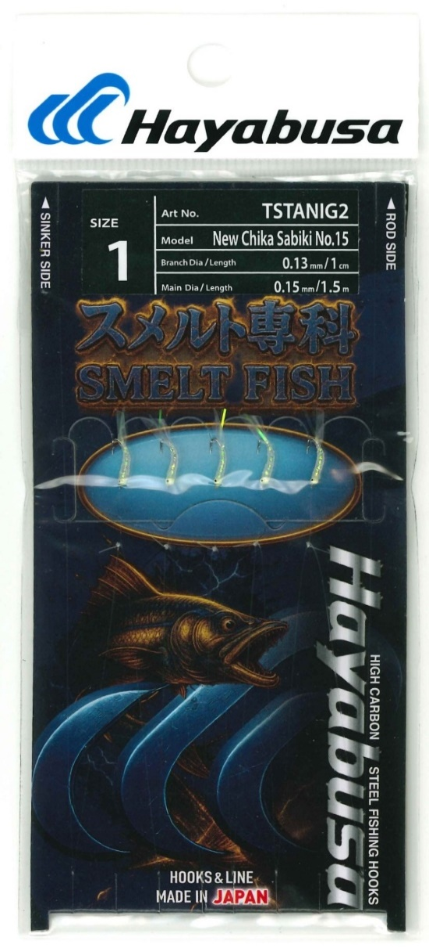
 |  |  |  |  |  |  |  |  |  |  |  | 0
Custom Sabiki order form |  |  |  |  |  |  |  |  |  |  |  | 0 |  | 15 | Product
Model No: |  | TSTANIG2 |  |  |  |  |  |  |  |  |  | 0
Product name: |  | New Chika Sabiki No.15 5 hooks |  |  |  |  |  |  |  |  |  | 0
A
C
D
B
Hook | ハリス（Branch） | 幹糸（Main） |  |  |  |  | Full | No. | Order |  |  | 0
size | size | size | A | B | C | D | Length | of | Qty |  |  | 0
(JP) | mm | mm | (㎝) | (㎝) | (㎝) | (㎝) | (m) | hooks |  |  |  | 0
1 | 0.1 | 0.13 | 25 | 1 | 25 | 25 | 1.5 | 5 |  | 276 |  | 0
 |  |  |  |  |  |  |  |  |  |  |  | 0
 |  |  |  |  |  |  |  |  |  |  |  | 0
 |  |  |  |  |  |  |  |  |  |  |  | 0
 |  |  |  |  |  |  |  |  |  |  |  | 0
 |  |  |  |  |  |  |  |  |  |  |  | 0
 |  |  |  |  |  |  |  |  |  |  |  | 0
 |  |  |  |  |  |  |  |  |  |  |  | 0
 |  |  |  |  |  |  |  |  |  |  |  | 0
 |  |  |  |  |  |  |  |  |  |  |  | 0
Hook model and color |  | Akita kitsune #1 nickel |  |  | H.AKK106 JP ＃2.5(card#1) |  |  |  |  |  |  | 0
 |  |  |  |  |  |  |  |  |  |  |  | 0
Branch material |  | fluorocarbon |  |  |  |  |  |  |  |  |  | 0
Main material |  | fluorocarbon |  |  |  |  |  |  |  |  |  | 0
 |  |  |  |  |  |  |  |  |  |  |  | 0
 |  |  |  |  |  |  |  |  |  |  |  | 0
 |  |  |  |  |  |  |  |  |  |  |  | 0
 |  |  |  |  |  |  |  |  |  |  |  | 0
 |  |  |  |  |  |  |  |  |  |  |  | 0
 |  |  |  |  |  |  |  |  |  |  |  | 0
 |  |  |  |  |  |  |  |  |  |  |  | 0 | 5 hooks
 |  |  |  |  |  |  |  |  |  |  |  | 0
 |  |  |  |  |  |  |  | Custom Fly picture |  |  |  | 0

