CARD DESIGN
The card will be same for all items.
Only the product spec and barcode will be replaced with stickers.
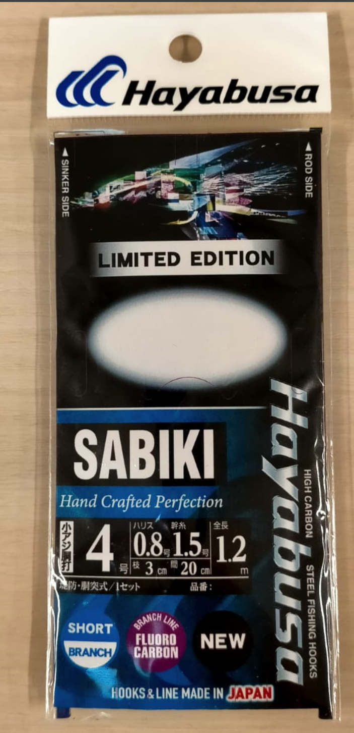

 | Sabiki lenght parts
A
C
D
B

ORDER SHEET
 |  |  |  |  |  |  | Hook size |  | Branch | Main | Line Lenghts |  |  |  | Full | No.
 |  |  |  |  |  |  | used | display | Line | Line | in cm |  |  |  | Lenght | of
Art Code-hook-branch | EAN | NAME | ЦЕНА РУБЛИ НДС | ЗАКАЗ | СУММА ЗАКАЗА | Product image | (JP) | on package | (JP) | (JP) | A | B | C | D | (m) | hooks
TSTANIB3-0.5-0.6 | 4993722207351 | HS200 SP edition SABIKI 5 hook | 258 |  | 0 |  | 2 | 0.5 | 0.6 | 1 | 20 | 1.4 | 20 | 20 | 1.2 | 5
TSTANIB3-1-0.6 | 4993722207382 | HS200 SP edition SABIKI 5 hook | 258 |  | 0 |  | 2.5 | 1 | 0.6 | 1 | 20 | 1.4 | 20 | 20 | 1.2 | 5
TSTANIB3-2-0.6 | 4993722207399 | HS200 SP edition SABIKI 5 hook | 258 |  | 0 |  | 3 | 2 | 0.6 | 1 | 20 | 1.4 | 20 | 20 | 1.2 | 5
TSTANIB3-2.5-0.8 | 4993722207429 | HS200 SP edition SABIKI 5 hook | 258 |  | 0 |  | 3.5 | 2.5 | 0.8 | 1.2 | 20 | 1.4 | 20 | 20 | 1.2 | 5
TSTANIB3-3-1 | 4993722207436 | HS200 SP edition SABIKI 5 hook | 258 |  | 0 |  | 4 | 3 | 1 | 1.5 | 20 | 1.4 | 20 | 20 | 1.2 | 5
TSTANIB3-4-1.2 | 4993722207474 | HS200 SP edition SABIKI 5 hook | 258 |  | 0 |  | 5 | 4 | 1.2 | 2 | 20 | 1.4 | 20 | 20 | 1.2 | 5
TSTANIB3-5-1.2 | 4993722207511 | HS200 SP edition SABIKI 5 hook | 258 |  | 0 |  | 6 | 5 | 1.2 | 2 | 20 | 1.4 | 20 | 20 | 1.2 | 5
TSTANIB4-0.5-0.6 | 4993722207542 | HS200 SP edition SABIKI 5hook Ⅱ | 266 |  | 0 |  | 2 | 0.5 | 0.6 | 1 | 20 | 1.4 | 30 | 30 | 1.7 | 5
TSTANIB4-1-0.6 | 4993722207566 | HS200 SP edition SABIKI 5hook Ⅱ | 266 |  | 0 |  | 2.5 | 1 | 0.6 | 1 | 20 | 1.4 | 30 | 30 | 1.7 | 5
TSTANIB5-1-0.6 | 4993722207573 | HS201 SP edition SABIKI 5 hook | 271 |  | 0 |  | 1 | 1 | 0.6 | 1 | 20 | 1.5 | 20 | 20 | 1.2 | 5
TSTANIB5-2-0.8 | 4993722207610 | HS201 SP edition SABIKI 5 hook | 271 |  | 0 |  | 2 | 2 | 0.8 | 1.2 | 20 | 1.5 | 20 | 20 | 1.2 | 5
TSTANIB5-3-1 | 4993722207627 | HS201 SP edition SABIKI 5 hook | 271 |  | 0 |  | 4 | 3 | 1 | 1.5 | 20 | 1.5 | 20 | 20 | 1.2 | 5
TSTANIB5-4-1.2 | 4993722207634 | HS201 SP edition SABIKI 5 hook | 271 |  | 0 |  | 6 | 4 | 1.2 | 2 | 20 | 1.5 | 20 | 20 | 1.2 | 5
TSTANIB6-2-0.6 | 4993722207641 | HS202 SP edition SABIKI 5 hook | 297 |  | 0 |  | 3 | 2 | 0.6 | 1 | 20 | 1.4 | 20 | 20 | 1.2 | 5
TSTANIB6-2.5-0.8 | 4993722207658 | HS202 SP edition SABIKI 5 hook | 297 |  | 0 |  | 3.5 | 2.5 | 0.8 | 1.2 | 20 | 1.4 | 20 | 20 | 1.2 | 5
TSTANIB6-3-1 | 4993722207665 | HS202 SP edition SABIKI 5 hook | 297 |  | 0 |  | 4 | 3 | 1 | 1.5 | 20 | 1.4 | 20 | 20 | 1.2 | 5
TSTANIB6-4-1.2 | 4993722207672 | HS202 SP edition SABIKI 5 hook | 297 |  | 0 |  | 5 | 4 | 1.2 | 2 | 20 | 1.4 | 20 | 20 | 1.2 | 5
TSTANIB6-5-1.2 | 4993722207689 | HS202 SP edition SABIKI 5 hook | 297 |  | 0 |  | 6 | 5 | 1.2 | 2 | 20 | 1.4 | 20 | 20 | 1.2 | 5
TSTANIB7-2-0.6 | 4993722207696 | HS202 SP edition SABIKI 5hook Ⅱ | 308 |  | 0 |  | 3 | 2 | 0.6 | 1 | 20 | 1.4 | 30 | 30 | 1.7 | 5
TSTANIB7-2.5-0.8 | 4993722207795 | HS202 SP edition SABIKI 5hook Ⅱ | 308 |  | 0 |  | 3.5 | 2.5 | 0.8 | 1.2 | 20 | 1.4 | 30 | 30 | 1.7 | 5
TSTANIB8-1-0.6 | 4993722207801 | HS303 SP edition SABIKI 6 hook | 320 |  | 0 |  | 1 | 1 | 0.6 | 1 | 20 | 1.5 | 20 | 20 | 1.4 | 6
TSTANIB8-2-0.6 | 4993722207818 | HS303 SP edition SABIKI 6 hook | 320 |  | 0 |  | 2 | 2 | 0.6 | 1 | 20 | 1.5 | 20 | 20 | 1.4 | 6
TSTANIB8-3-1 | 4993722207825 | HS303 SP edition SABIKI 6 hook | 320 |  | 0 |  | 4 | 3 | 1 | 1.5 | 20 | 1.5 | 20 | 20 | 1.4 | 6
TSTANIB8-4-1.2 | 4993722207849 | HS303 SP edition SABIKI 6 hook | 320 |  | 0 |  | 6 | 4 | 1.2 | 2 | 20 | 1.5 | 20 | 20 | 1.4 | 6
TSTANIB9-2-0.6 | 4993722207863 | HS303 SP edition SABIKI 6hook Ⅱ | 332 |  | 0 |  | 2 | 2 | 0.6 | 1 | 20 | 1.5 | 30 | 30 | 2 | 6
TSTANIB9-3-1 | 4993722207870 | HS303 SP edition SABIKI 6hook Ⅱ | 332 |  | 0 |  | 4 | 3 | 1 | 1.5 | 20 | 1.5 | 30 | 30 | 2 | 6
TSTANIC1-0.5-0.6 | 4993722207887 | HS382 SP edition SABIKI 5 hook | 240 |  | 0 |  | 2 | 0.5 | 0.6 | 1 | 20 | 1.4 | 20 | 20 | 1.2 | 5
TSTANIC1-1-0.6 | 4993722207894 | HS382 SP edition SABIKI 5 hook | 240 |  | 0 |  | 2.5 | 1 | 0.6 | 1 | 20 | 1.4 | 20 | 20 | 1.2 | 5
TSTANIC1-2-0.6 | 4993722207900 | HS382 SP edition SABIKI 5 hook | 240 |  | 0 |  | 3 | 2 | 0.6 | 1 | 20 | 1.4 | 20 | 20 | 1.2 | 5
TSTANIC1-2.5-0.8 | 4993722207917 | HS382 SP edition SABIKI 5 hook | 240 |  | 0 |  | 3.5 | 2.5 | 0.8 | 1.2 | 20 | 1.4 | 20 | 20 | 1.2 | 5
TSTANIC1-3-1 | 4993722207924 | HS382 SP edition SABIKI 5 hook | 240 |  | 0 |  | 4 | 3 | 1 | 1.5 | 20 | 1.4 | 20 | 20 | 1.2 | 5
TSTANIC1-4-1.2 | 4993722208044 | HS382 SP edition SABIKI 5 hook | 240 |  | 0 |  | 5 | 4 | 1.2 | 2 | 20 | 1.4 | 20 | 20 | 1.2 | 5
TSTANIC1-5-1.2 | 4993722208051 | HS382 SP edition SABIKI 5 hook | 240 |  | 0 |  | 6 | 5 | 1.2 | 2 | 20 | 1.4 | 20 | 20 | 1.2 | 5
TSTANIC2-0.5-0.6 | 4993722208068 | HS383 SP edition SABIKI 6 hook | 226 |  | 0 |  | 2 | 0.5 | 0.6 | 1 | 20 | 1.4 | 20 | 20 | 1.4 | 6
TSTANIC2-1-0.6 | 4993722208136 | HS383 SP edition SABIKI 6 hook | 226 |  | 0 |  | 2.5 | 1 | 0.6 | 1 | 20 | 1.4 | 20 | 20 | 1.4 | 6
TSTANIC2-2-0.6 | 4993722208143 | HS383 SP edition SABIKI 6 hook | 226 |  | 0 |  | 3 | 2 | 0.6 | 1 | 20 | 1.4 | 20 | 20 | 1.4 | 6
TSTANIC2-2.5-0.8 | 4993722208150 | HS383 SP edition SABIKI 6 hook | 226 |  | 0 |  | 3.5 | 2.5 | 0.8 | 1.2 | 20 | 1.4 | 20 | 20 | 1.4 | 6
TSTANIC2-3-1 | 4993722208167 | HS383 SP edition SABIKI 6 hook | 226 |  | 0 |  | 4 | 3 | 1 | 1.5 | 20 | 1.4 | 20 | 20 | 1.4 | 6
TSTANIC2-4-1.2 | 4993722208198 | HS383 SP edition SABIKI 6 hook | 226 |  | 0 |  | 5 | 4 | 1.2 | 2 | 20 | 1.4 | 20 | 20 | 1.4 | 6
TSTANIC2-5-1.2 | 4993722208617 | HS383 SP edition SABIKI 6 hook | 226 |  | 0 |  | 6 | 5 | 1.2 | 2 | 20 | 1.4 | 20 | 20 | 1.4 | 6
TSTANIC3-2-0.6 | 4993722208747 | HS400 SP edition SABIKI 5 hook | 244 |  | 0 |  | 3 | 2 | 0.6 | 1 | 20 | 1.4 | 20 | 20 | 1.2 | 5
TSTANIC3-2.5-0.8 | 4993722208778 | HS400 SP edition SABIKI 5 hook | 244 |  | 0 |  | 3.5 | 2.5 | 0.8 | 1.2 | 20 | 1.4 | 20 | 20 | 1.2 | 5
TSTANIC3-3-1 | 4993722208822 | HS400 SP edition SABIKI 5 hook | 244 |  | 0 |  | 4 | 3 | 1 | 1.5 | 20 | 1.4 | 20 | 20 | 1.2 | 5
TSTANIC3-4-1.2 | 4993722208839 | HS400 SP edition SABIKI 5 hook | 244 |  | 0 |  | 5 | 4 | 1.2 | 2 | 20 | 1.4 | 20 | 20 | 1.2 | 5
TSTANIC3-5-1.2 | 4993722208846 | HS400 SP edition SABIKI 5 hook | 244 |  | 0 |  | 6 | 5 | 1.2 | 2 | 20 | 1.4 | 20 | 20 | 1.2 | 5
TSTANIC4-2-0.6 | 4993722208884 | HS401 SP edition SABIKI 5 hook | 244 |  | 0 |  | 3 | 2 | 0.6 | 1 | 20 | 1.4 | 20 | 20 | 1.2 | 5
...
Art Code-hook-branch | EAN | NAME | ЦЕНА РУБЛИ НДС | ЗАКАЗ | СУММА ЗАКАЗА | Product image | (JP) | on package | (JP) | (JP) | A | B
TSTANIC6-2-0.6 | 4993722209058 | HS435 SP edition SABIKI 5 hook | 200 |  | 0 |  | 3 | 2 | 0.6 | 1 | 20 | 1.4
TSTANIC6-2.5-0.8 | 4993722209065 | HS435 SP edition SABIKI 5 hook | 200 |  | 0 |  | 3.5 | 2.5 | 0.8 | 1.2 | 20 | 1.4
TSTANIC6-3-1 | 4993722209072 | HS435 SP edition SABIKI 5 hook | 200 |  | 0 |  | 4 | 3 | 1 | 1.5 | 20 | 1.4
TSTANIC6-4-1.2 | 4993722209089 | HS435 SP edition SABIKI 5 hook | 200 |  | 0 |  | 5 | 4 | 1.2 | 2 | 20 | 1.4
TSTANIC6-5-1.2 | 4993722209096 | HS435 SP edition SABIKI 5 hook | 200 |  | 0 |  | 6 | 5 | 1.2 | 2 | 20 | 1.4
TSTANIC7-2-0.6 | 4993722209102 | HS710 SP edition SABIKI 6 hook | 208 |  | 0 |  | 3 | 2 | 0.6 | 1 | 20 | 1.4
TSTANIC7-2.5-0.8 | 4993722209119 | HS710 SP edition SABIKI 6 hook | 208 |  | 0 |  | 3.5 | 2.5 | 0.8 | 1.2 | 20 | 1.4
TSTANIC7-3-1 | 4993722209126 | HS710 SP edition SABIKI 6 hook | 208 |  | 0 |  | 4 | 3 | 1 | 1.5 | 20 | 1.4
TSTANIC7-4-1.2 | 4993722209133 | HS710 SP edition SABIKI 6 hook | 208 |  | 0 |  | 5 | 4 | 1.2 | 2 | 20 | 1.4
TSTANIC7-5-1.2 | 4993722209140 | HS710 SP edition SABIKI 6 hook | 208 |  | 0 |  | 6 | 5 | 1.2 | 2 | 20 | 1.4
TSTANIC8-10-1.5 | 4993722209195 | HS303 SP edition SABIKI 6hook Ⅲ | 341 |  | 0 | 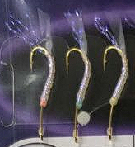 | 9 | 6 | 1.5 | 2 | 25 | 1.5
TSTANIC8-11-1.5 | 4993722209201 | HS303 SP edition SABIKI 6hook Ⅲ | 341 |  | 0 |  | 10 | 7 | 1.5 | 2 | 25 | 1.5
TSTANIC8-6-1.5 | 4993722209157 | HS303 SP edition SABIKI 6hook Ⅲ | 341 |  | 0 |  | 11 | 8 | 1.5 | 2 | 25 | 1.5
TSTANIC8-7-1.5 | 4993722209164 | HS303 SP edition SABIKI 6hook Ⅲ | 341 |  | 0 |  | 12 | 9 | 1.5 | 2 | 25 | 1.5
TSTANIC8-8-1.5 | 4993722209171 | HS303 SP edition SABIKI 6hook Ⅲ | 341 |  | 0 |  | 13 | 10 | 1.5 | 2 | 25 | 1.5
TSTANIC8-9-1.5 | 4993722209188 | HS303 SP edition SABIKI 6hook Ⅲ | 341 |  | 0 |  | 14 | 11 | 1.5 | 2 | 25 | 1.5
TSTANIC9-10-1.5 | 4993722209256 | HS432 SP edition SABIKI 6 hook | 317 |  | 0 | 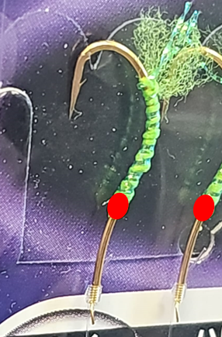 | 9 | 6 | 1.5 | 2 | 25 | 1.5
TSTANIC9-11-1.5 | 4993722209263 | HS432 SP edition SABIKI 6 hook | 317 |  | 0 |  | 10 | 7 | 1.5 | 2 | 25 | 1.5
TSTANIC9-6-1.5 | 4993722209218 | HS432 SP edition SABIKI 6 hook | 317 |  | 0 |  | 11 | 8 | 1.5 | 2 | 25 | 1.5
TSTANIC9-7-1.5 | 4993722209225 | HS432 SP edition SABIKI 6 hook | 317 |  | 0 |  | 12 | 9 | 1.5 | 2 | 25 | 1.5
TSTANIC9-8-1.5 | 4993722209232 | HS432 SP edition SABIKI 6 hook | 317 |  | 0 |  | 13 | 10 | 1.5 | 2 | 25 | 1.5
TSTANIC9-9-1.5 | 4993722209249 | HS432 SP edition SABIKI 6 hook | 317 |  | 0 |  | 14 | 11 | 1.5 | 2 | 25 | 1.5

